Instruction
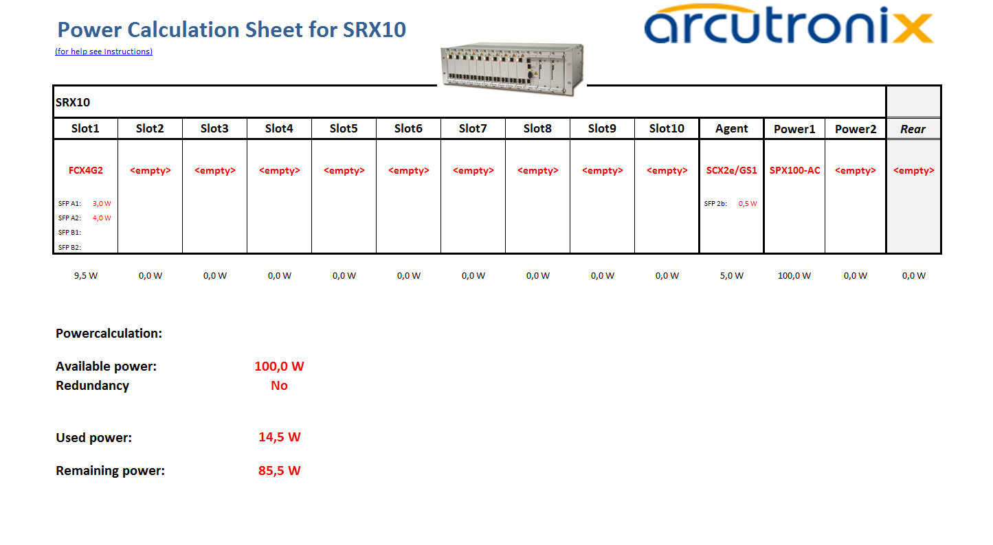

go back to Calculation Sheet
Select here the installed or planned module on the rear side.
Select in this fields the installed or planned modules and see the required power below.

Don't forget to specify the power requirements of the planned or installed optical modules, if you aare asked for it!
Select here the installed or planned agent module.
Select here the installed or planned power modules.

Automatic calculation of the available power.

Is redundancy foreseen?

Automatic calculation of the consumed power.

Automatic calculation of the remaining power.

